Sheet1
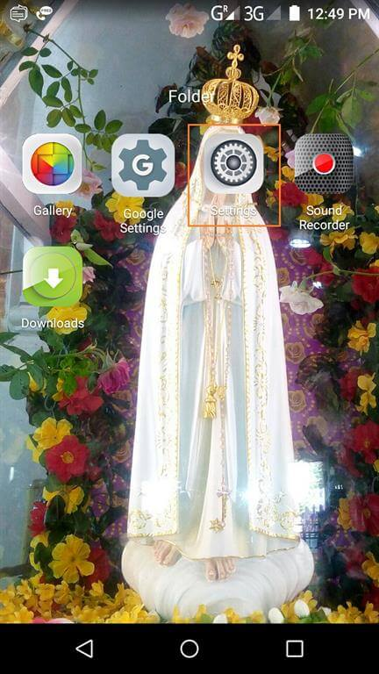

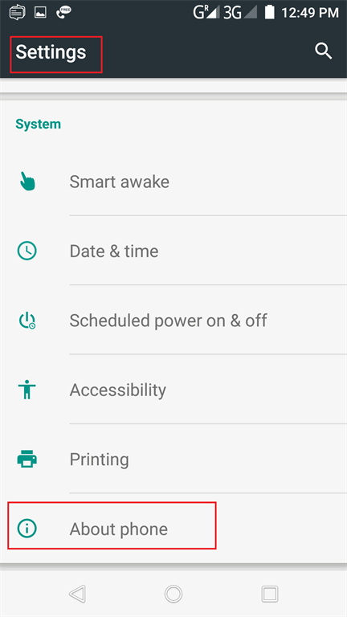

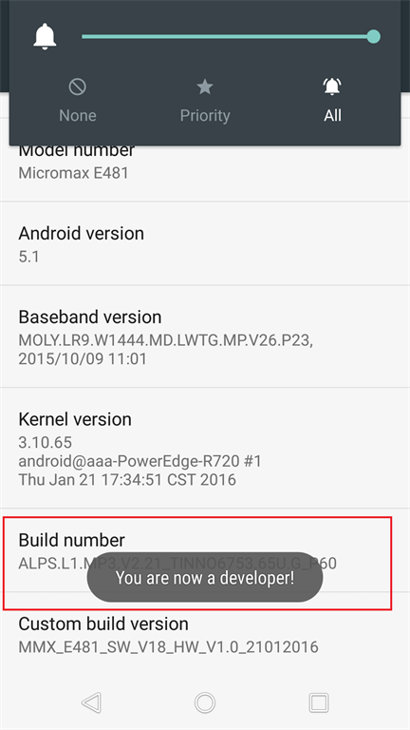

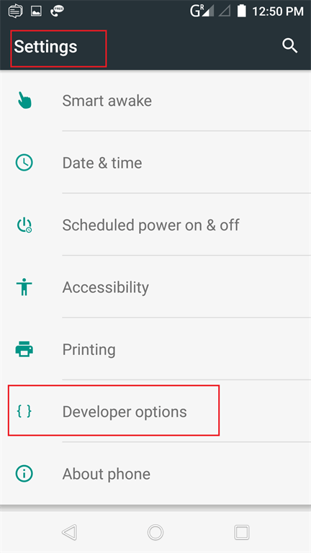

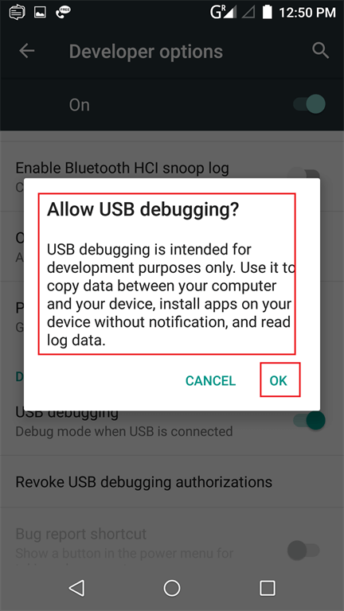

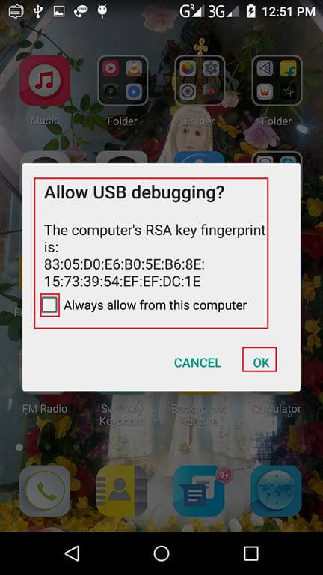

Sheet2
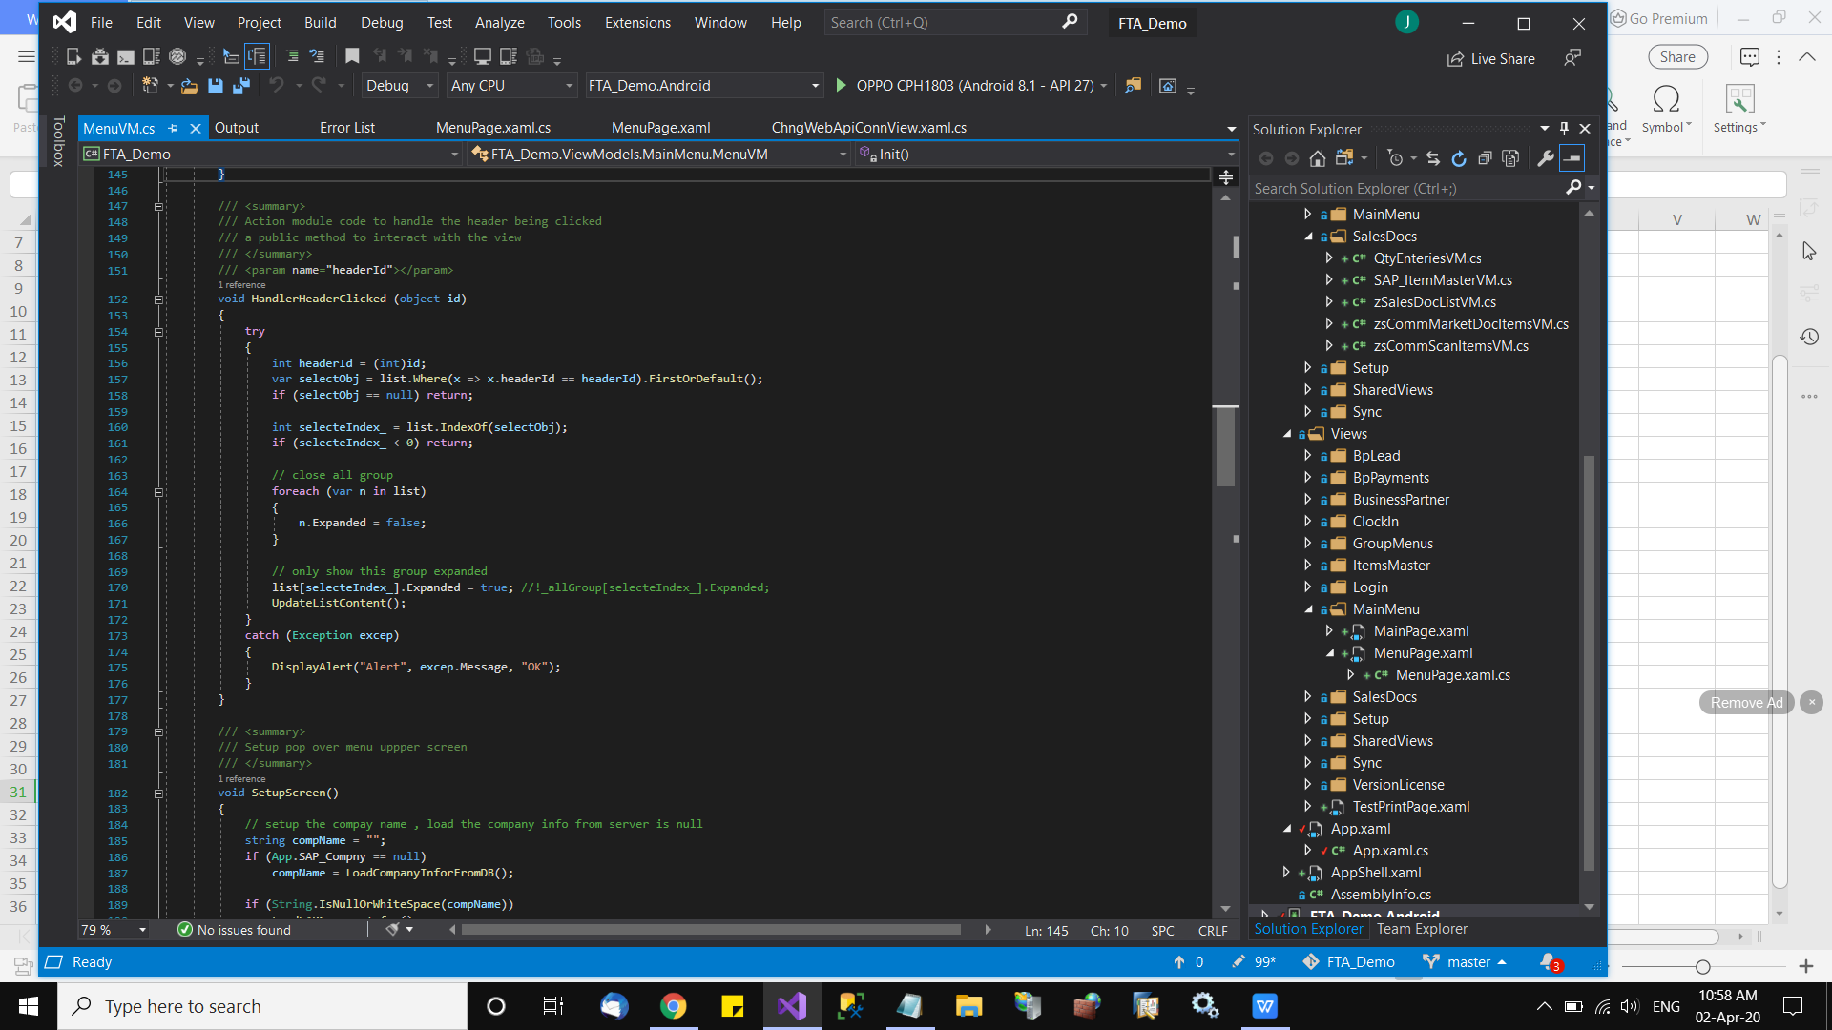
 | Activate the phone to support physical xamel runing on it

phone | step 1 -> go to android phone --- Setting

phone | stet 2 -> locate about phone

phone | step 3 --> look for the version

phone | step 4 -> tap the version or Build Number column 7 times to enable the developer mode in your Android device. It will display a message, "You are now a developer!"

phone | step 5 -> In setting screen, new option will be add in called "Additional Settings"

phone | step 6 -> tap the "Additional settings" there is "developer option"

phone | step 7 -> Please ensure this developer option is enable, and drag below until u see the "USB debuging mode" is on.

phone | step 8-> Plug ur USB "data" cable to phone and laptop (**nornal usb charging cable may not support, suggested use the original usb cable ship from the box, or buy a new data cable from shop, it arround rm 8

phone | step 9 -> phone will prompt to setting connection mode, just press cancel or ignore.

computer | step 10 -> Visual studio may detect or not detect ur phone link to VS, if can detect it will work good.

computer | step 10.1 -> if can not detect, meaning ur laptop need to

computer |  | 1 | Update the google SDK, ensure the phone USB driver is support in VS and ur laptop
computer |  | 2 | Find your manufactural phone ADB (Windows Drivers for Android Debug Bridge) from web and follow the instruction to install and plug test again.

 | When all step done correctly, you should see the phone plug in and show on VS as this
 |  |  |  | *** click the "Green Play" will run this code to ur device

